doping-near-add
suface111 | E_pot | E_ZPE | Cv_harm | -T*S | Free energy | Overbinding correction | Solvent correction | final energy |  | clean surface | Free energy |  | E_pot | E_ZPE | Cv_harm | -T*S | Free energy | Overbinding correction | Solvent correction | final energy |  | HER:
* | -285.375 | - | - | - | -285.375 |  |  | -285.375 |  | pure-ni | -285.90262368 | h-ni |  |  |  |  | -288.799 |  |  | -288.799 |  | HER: | 0.65162368
*H | -288.611 | 0.177 | 0.004 | -0.005 | -288.435 |  |  | -288.435 |  | pure-co | -287.22069335 | h-co |  |  |  |  | -290.257 |  |  | -290.257 |  | HER: | 0.51169335
*HOCO | -307.019 | 0.626 | 0.108 | -0.239 | -306.524 | -306.374 | -306.624 | -306.624 |  | pure-v | -290.0223317 | h-v |  |  |  |  | -292.822 |  |  | -292.822 |  | HER: | 0.7483317
*CO | -297.854 | 0.176 | 0.088 | -0.206 | -297.797 |  | -297.897 | -297.897 |  | pure-cr | -289.56441095 | h-cr |  |  |  |  | -292.505 |  |  | -292.505 |  | HER: | 0.60741095
 |  |  |  |  |  |  |  |  |  | pure-mn | -288.81080187 | h-mn |  |  |  |  | -292.374 |  |  | -292.374 |  | HER: | -0.01519813
 |  |  |  |  |  |  |  |  |  | pure-fe | -288.08993858 | h-fe |  |  |  |  | -291.384 |  |  | -291.384 |  | HER: | 0.25393858
T = 298.15 K and P(H2O) = 3534.0 Pa, P(CO) = 5562.0 Pa, P(CO2) = 101325.0 Pa, P(H2) = 101325.0 Pa |  |  |  |  |  |  |  |  |  | pure-pt | -286.71981361 | h-pt |  |  |  |  | -289.779 |  |  | -289.779 |  | HER: | 0.48881361
 | E_pot | E_ZPE | C_Ideal_gas | -T*S | Free energy | Overbinding correction | Solvent correction | final energy |  | pure-ru | -289.13183987
H2 | -7.158 | 0.274 | 0.091 | -0.402 | -7.196 | -7.096 |  | -7.096 |  | pure-rh | -287.86005565
CO2 | -18.459 | 0.306 | 0.099 | -0.662 | -18.718 | -18.418 |  | -18.418 |  | pure-ag | -282.91165374
H2O | -12.833 | 0.572 | 0.104 | -0.669 | -12.827 |  |  | -12.827 |  | pure-cd | -281.52119293
CO | -12.118 | 0.132 | 0.091 | -0.668 | -12.564 |  |  | -12.564 |  | pure-ir | -289.19630022
 |  |  |  |  |  |  |  |  |  | pure-au | -283.56794359

 | C_Ideal_gas: | Cv_trans | Cv_rot | Cv_vib | C_v -> C_p |  |  |  |  |  |  |  |  |  |  |  |  |  |  |  |  | doping CO2RR
 |  |  |  |  |  |  |  |  |  |  |  |  | E_pot | E_ZPE | Cv_harm | -T*S | Free energy |  |  |  |  | 1.*HOCO step | 2.*CO step | 3.CO step
cd |  |  |  |  |  |  |  |  |  |  |  | hoco-ni |  |  |  |  | -306.898 | -306.748 | -306.998 | -306.998 | 0 | 0.87062368 | 0.27662368 | 0.123
 |  | 0 |  |  |  |  |  |  |  |  |  | hoco-co |  |  |  |  | -308.223 | -308.073 | -308.323 | -308.323 | 0 | 0.86369335 | 0.25269335 | 0.123
1.*HOCO step |  | 0.717 |  |  |  |  |  |  |  |  |  | hoco-v |  |  |  |  | -310.826 | -310.676 | -310.926 | -310.926 | 0 | 1.0623317 | 0.3883317 | 0.123
2.*CO step |  | 0.165 |  |  |  | 0.717 | 0.042 |  |  |  |  | hoco-cr |  |  |  |  | -310.439 | -310.289 | -310.539 | -310.539 | 0 | 0.99141095 | 0.34141095 | 0.123
3.CO step |  | 0.123 |  |  |  |  |  |  |  |  |  | hoco-mn |  |  |  |  | -309.744 | -309.594 | -309.844 | -309.844 | 0 | 0.93280187 | 0.27880187 | 0.123
 |  |  |  |  |  |  |  |  |  |  |  | hoco-fe |  |  |  |  | -309.063 | -308.913 | -309.163 | -309.163 | 0 | 0.89293858 | 0.27193858 | 0.123
undoped HER: |  | 0.488 |  |  |  |  |  |  |  |  |  | hoco-pt |  |  |  |  | -307.643 | -307.493 | -307.743 | -307.743 | 0 | 0.94281361 | 0.30481361 | 0.123
 |  |  |  |  |  |  |  |  |  |  |  | hoco-ru |  |  |  |  | -310.041 | -309.891 | -310.141 | -310.141 | 0 | 0.95683987 | 0.20183987 | 0.123
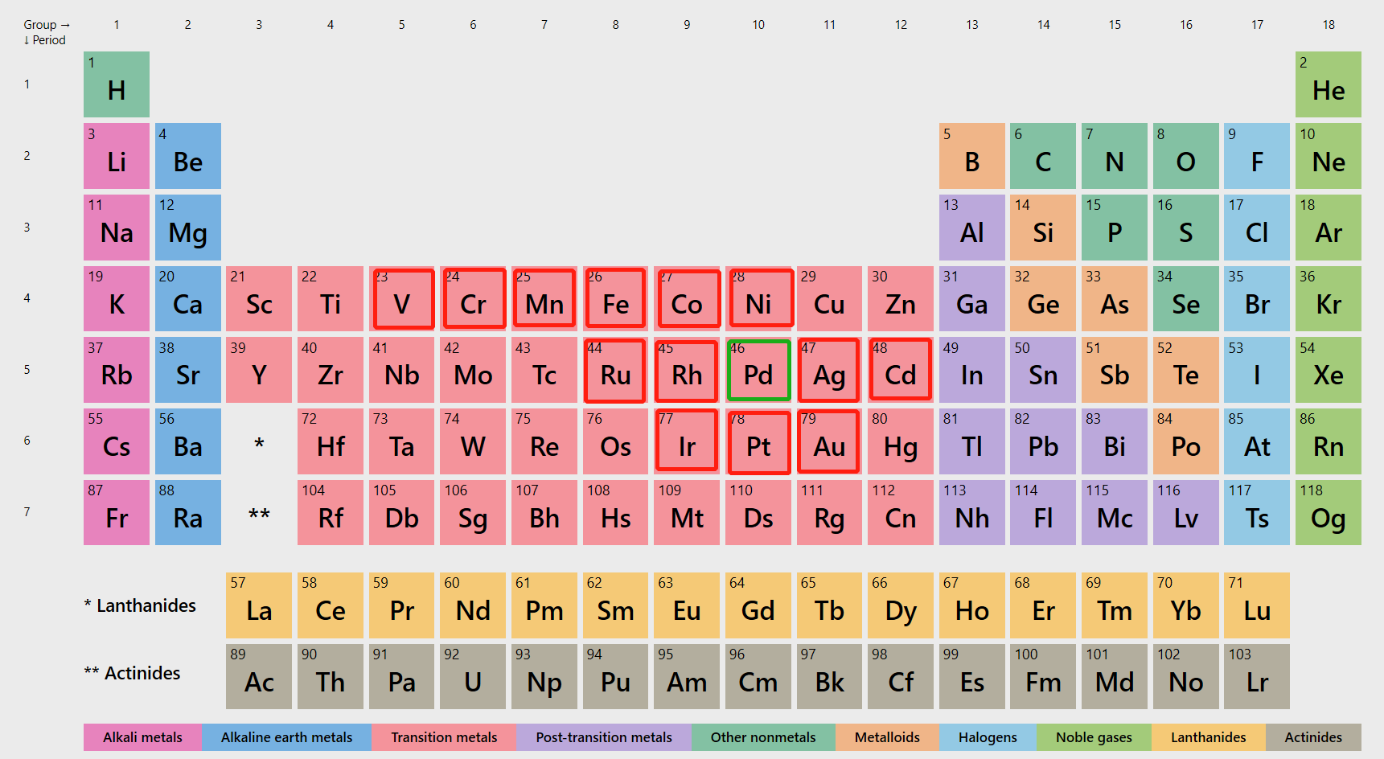
 |  |  |  |  |  |  |  |  |  |  |  | hoco-rh |  |  |  |  | -308.762 | -308.612 | -308.862 | -308.862 | 0 | 0.96405565 | 0.36905565 | 0.123
 |  |  |  |  |  |  |  |  |  |  |  | hoco-ag |  |  |  |  | -303.768 | -303.618 | -303.868 | -303.868 | 0 | 1.00965374 | 0.42565374 | 0.123
 |  |  |  |  |  |  |  |  |  |  |  | hoco-cd |  |  |  |  | -302.318 | -302.168 | -302.418 | -302.418 | 0 | 1.06919293 | 0.41619293 | 0.123
 |  |  |  |  |  |  |  |  |  |  |  | hoco-ir |  |  |  |  | -310.059 | -309.909 | -310.159 | -310.159 | 0 | 1.00330022 | 0.31830022 | 0.123
 |  |  |  |  |  |  |  |  |  |  |  | hoco-au |  |  |  |  | -304.397 | -304.247 | -304.497 | -304.497 | 0 | 1.03694359 | 0.41694359 | 0.123

0.87062368 | 0.27662368 | 0.123 |  | 0.717 | 0.87062368 | 0.86369335 | 1.0623317 | 0.99141095 | 0.93280187 | 0.89293858 | 0.94281361
0.86369335 | 0.25269335 | 0.123 |  | 0.165 | 0.27662368 | 0.25269335 | 0.3883317 | 0.34141095 | 0.27880187 | 0.27193858 | 0.30481361
1.0623317 | 0.3883317 | 0.123 |  | 0.123 | 0.123 | 0.123 | 0.123 | 0.123 | 0.123 | 0.123 | 0.123
0.99141095 | 0.34141095 | 0.123
0.93280187 | 0.27880187 | 0.123
0.89293858 | 0.27193858 | 0.123 |  |  |  |  |  |  |  |  |  |  | E_pot | E_ZPE | Cv_harm | -T*S | Free energy |  |  |  |  | *HOCO | *CO
0.94281361 | 0.30481361 | 0.123 |  |  |  |  |  |  |  |  |  | co-ni |  |  |  |  | -298.213 |  | -298.313 | -298.313 |  | 0.87062368 | 0.15362368
 |  |  |  |  |  |  |  |  |  |  |  | co-co |  |  |  |  | -299.555 |  | -299.655 | -299.655 |  | 0.86369335 | 0.12969335
 |  |  |  |  |  |  |  |  |  |  |  | co-v |  |  |  |  | -302.221 |  | -302.321 | -302.321 |  | 1.0623317 | 0.2653317
 |  |  |  |  |  |  |  |  |  |  |  | co-cr |  |  |  |  | -301.81 |  | -301.91 | -301.91 |  | 0.99141095 | 0.21841095
 |  |  |  |  |  |  |  |  |  |  |  | co-mn |  |  |  |  | -301.119 |  | -301.219 | -301.219 |  | 0.93280187 | 0.15580187
 |  |  |  |  |  |  |  |  |  |  |  | co-fe |  |  |  |  | -300.405 |  | -300.505 | -300.505 |  | 0.89293858 | 0.14893858
 |  |  |  |  |  |  |  |  |  |  |  | co-pt |  |  |  |  | -299.002 |  | -299.102 | -299.102 |  | 0.94281361 | 0.18181361
 |  |  |  |  |  |  |  |  |  |  |  | co-ru |  |  |  |  | -301.517 |  | -301.617 | -301.617 |  | 0.95683987 | 0.07883987
 |  |  |  |  |  |  |  |  |  |  |  | co-rh |  |  |  |  | -300.078 |  | -300.178 | -300.178 |  | 0.96405565 | 0.24605565
 |  |  |  |  |  |  |  |  |  |  |  | co-ag |  |  |  |  | -295.073 |  | -295.173 | -295.173 |  | 1.00965374 | 0.30265374
 |  |  |  |  |  |  |  |  |  |  |  | co-cd |  |  |  |  | -293.692 |  | -293.792 | -293.792 |  | 1.06919293 | 0.29319293
 |  |  |  |  |  |  |  |  |  |  |  | co-ir |  |  |  |  | -301.465 |  | -301.565 | -301.565 |  | 1.00330022 | 0.19530022
 |  |  |  |  |  |  |  |  |  |  |  | co-au |  |  |  |  | -295.738 |  | -295.838 | -295.838 |  | 1.03694359 | 0.29394359

